Intro to Methods,Attrib&Param
(OOB) OBJECT ORIENTED PROGRAMMING

⇰REFERENCE Link (IMP)-->(Scikit Learn) -KUNDLI Regarding All param , Attributes ,Methods Usage in Scikit Learn Naming(Glossary of Common Terms & API Elements)

INTRODUCTION TO ATTRIBUTES & METHODS & PARAMETERS

⇰ ATTRIBUTES (USAGE IN SCIKIT LEARN) | REFERENCE (Link)

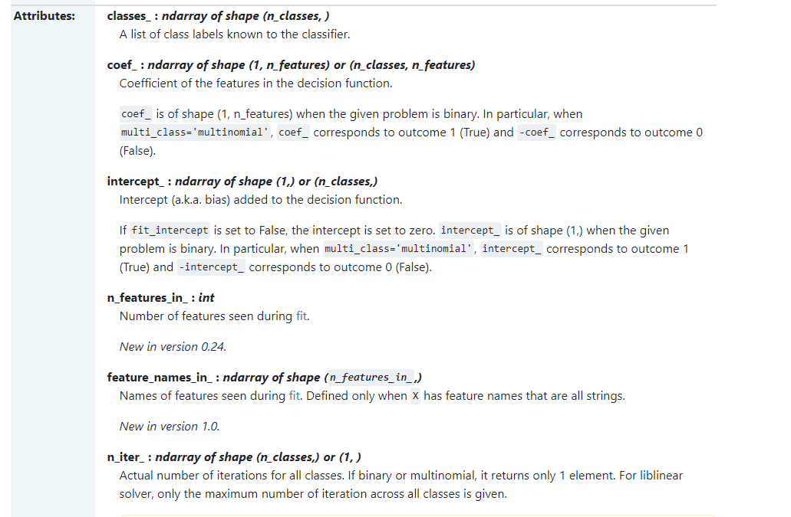 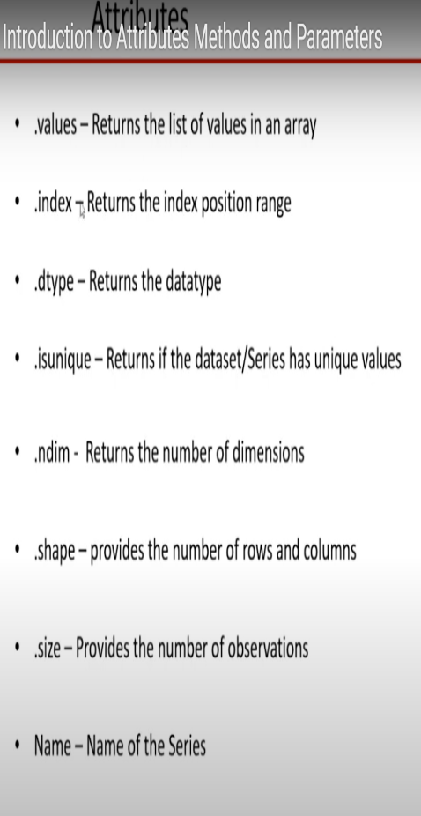 →Attributes provide Some Information about the object. They Provide a Summary . They do not modify the object . We mostly use attribute to refer to how model information is stored on an estimator during fitting. Any public attribute stored on an estimator instance is required to begin with an alphabetic character and end in a single underscore if it is set in fit or partial_fit.The information stored in attributes is usually either: sufficient statistics used for prediction or transformation; transductive outputs such as labels_ or embedding_; or diagnostic data, such as feature_importances_in decision tree or boosting. | ⇰REFERENCE -->(You Tube Videos) by dataSkience Regards Parameter , Attributes , Methods

 | ⇰REFERENCE (Website) --> Scikit learn (Regarding Meaning of Attributes in Scikit learn)

⇰METHODS IN SCIKIT LEARN | REFERENCE (Link)

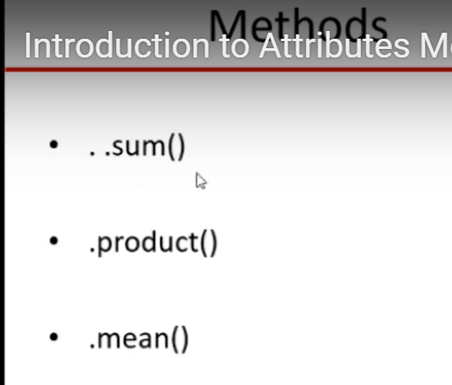 →Methods to perform some Operation , Manipulation Or Calculation Ex Append ,Insert , Remove ,Sort & Other Examples | ⇰REFERENCE--> You Tube Video (DatSkience) Regarding Methods

 | ⇰REFERENCE--> You Tube Video (TELUSKO) Regarding Method

 | ⇰REFERENCE (Link) --> Google Colab (Function & Methods) Regards Methods & Function

⇰FUNCTION IN SCIKIT LEARN | REFERENCE (Link)

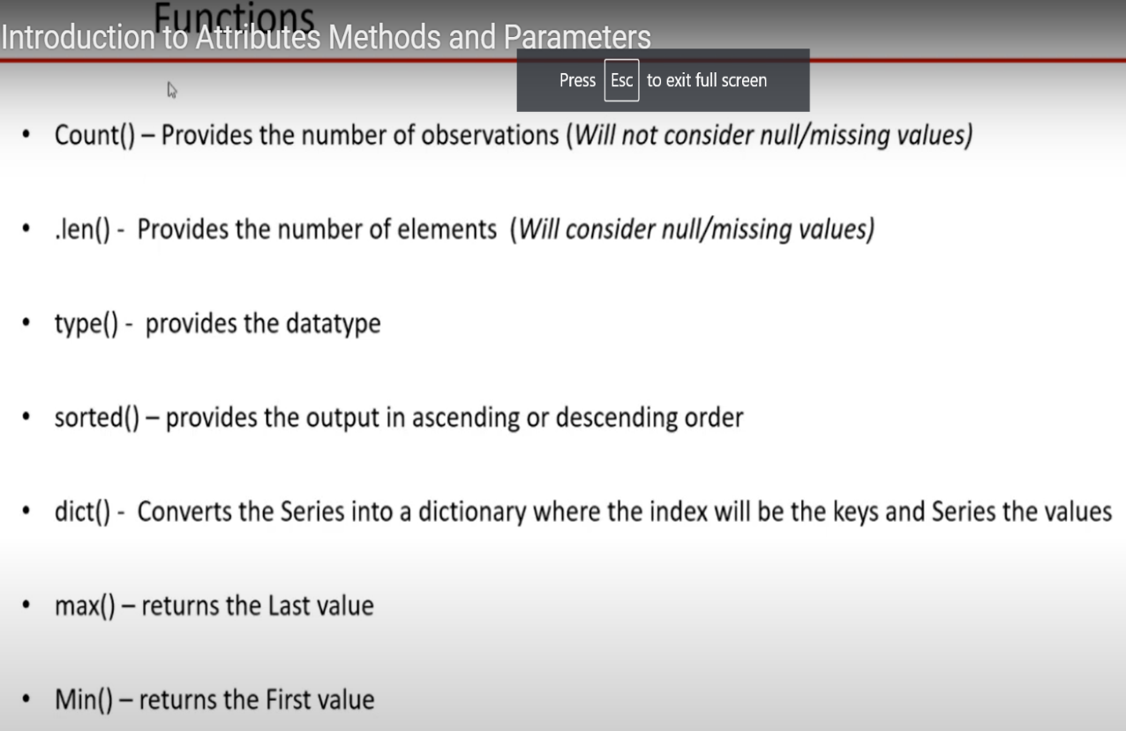 →Function -->Python Functions is a block of statements that return the specific task.The idea is to put some commonly or repeatedly done tasks together and make a function so that instead of writing the same code again and again for different inputs, we can do the function calls to reuse code contained in it over and over again. | ⇰REFERENCE --> (Website) Geeks for Geeks Regarding Function

 | ⇰REFERENCE -->(Colab Function & Method) Regarding Function

 | ⇰REFERENCE--> You Tube Video (DatSkience) Regarding Function

 | ⇰REFERENCE--> You Tube Video (TELUSKO) Regarding Function

